_Sum_of_cases
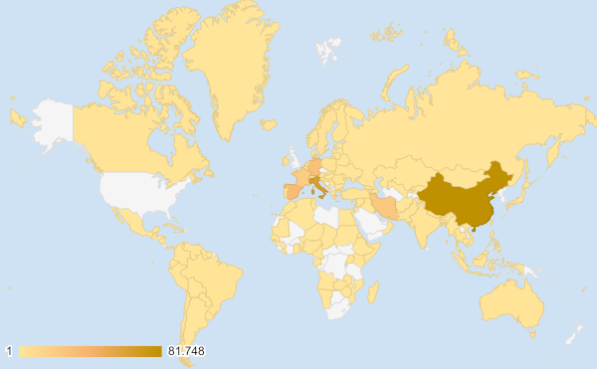
Places_reporting_cases | Sum_of_Cases
South_Africa | 402
Egypt | 327
Algeria | 189
Morocco | 134
Tunisia | 89
Senegal | 79
Burkina_Faso | 75
Cameroon | 56
Nigeria | 40
Rwanda | 36
Ghana | 27
Democratic_Republic_of_the_Congo | 26
Cote_dIvoire | 25
Togo | 18
Madagascar | 17
Kenya | 16
United_Republic_of_Tanzania | 12
Ethiopia | 11
Equatorial_Guinea | 9 | Fonte: https://www.ecdc.europa.eu/en Acesso: 25/03/2020
Uganda | 9
Seychelles | 7
Gabon | 6
Benin | 5
Congo | 4
Eswatini | 4
Central_African_Republic | 4
Namibia | 3
Liberia | 3
Djibouti | 3
Zambia | 3
Cape_Verde | 3
Sudan | 2
Gambia | 2
Zimbabwe | 2
Guinea | 2
Mauritania | 2
Chad | 2
Niger | 2
Angola | 2
Somalia | 1
Eritrea | 1
Mozambique | 1
United_States_of_America | 46442
Brazil | 1891
Canada | 1646
Ecuador | 981
Chile | 746
Peru | 395
Mexico | 367
Panama | 345
Argentina | 301
Dominican_Republic | 245
Colombia | 235
Uruguay | 162
Costa_Rica | 158
Venezuela | 84
Trinidad_and_Tobago | 51
Cuba | 40
Honduras | 30
Bolivia | 28
Paraguay | 27
Guatemala | 20
Jamaica | 19
Barbados | 17
Netherlands_Antilles | 17
United_States_Virgin_Islands | 17
Guyana | 6
Suriname | 6
Bermuda | 6
El_Salvador | 5
Haiti | 5
Bahamas | 4
Greenland | 4
Cayman_Islands | 3
Saint_Lucia | 2
Nicaragua | 2
Antigua_and_Barbuda | 1
Saint_Vincent_and_the_Grenadines | 1
Montserrat | 1
Grenada | 1
Dominica | 1
Belize | 1
China | 81748
Iran | 23049
South_Korea | 9037
Malaysia | 1518
Israel | 1442
Japan | 1128
Pakistan | 887
Thailand | 827
Indonesia | 579
Saudi_Arabia | 562
Singapore | 509
Qatar | 501
India | 492
Philippines | 462
Bahrain | 339
Lebanon | 267
Iraq | 266
United_Arab_Emirates | 198
Taiwan | 195
Kuwait | 189
Vietnam | 123
Jordan | 112
Sri_Lanka | 97
Brunei_Darussalam | 91
Cambodia | 87
Oman | 66
Kazakhstan | 62
Palestine | 59
Uzbekistan | 49
Afghanistan | 40
Mauritius | 36
Bangladesh | 33
Kyrgyzstan | 16
Maldives | 13
Mongolia | 10
Bhutan | 2
Nepal | 2
Myanmar | 2
Timor_Leste | 1
Syria | 1
Italy | 63927
Spain | 33089
Germany | 29212
France | 19856
Switzerland | 8015
United_Kingdom | 6650
Netherlands | 4749
Austria | 4486
Belgium | 3743
Norway | 2371
Portugal | 2060
Sweden | 2016
Turkey | 1529
Denmark | 1460
Czech_Republic | 1236
Ireland | 1125
Luxembourg | 875
Poland | 749
Finland | 700
Greece | 695
Iceland | 588
Romania | 576
Slovenia | 442
Russia | 438
Estonia | 352
Croatia | 306
Serbia | 222
Bulgaria | 201
Armenia | 194
Slovakia | 191
San_Marino | 187
Hungary | 187
Latvia | 180
Lithuania | 179
North_Macedonia | 136
Andorra | 133
Bosnia_and_Herzegovina | 129
Faroe_Islands | 118
Cyprus | 116
Moldova | 109
Malta | 107
Albania | 100
Belarus | 81
Ukraine | 73
Azerbaijan | 72
Kosovo | 61
Georgia | 61
Liechtenstein | 46
Montenegro | 27
Monaco | 23
Guernsey | 20
Jersey | 18
Gibraltar | 15
Isle_of_Man | 13
Holy_See | 1
Australia | 1823
New_Zealand | 142
Guam | 29
French_Polynesia | 23
New_Caledonia | 7
Fiji | 4
Papua_New_Guinea | 1
Cases_on_an_international_conveyance_Japan | 696

_Sum_of_deads
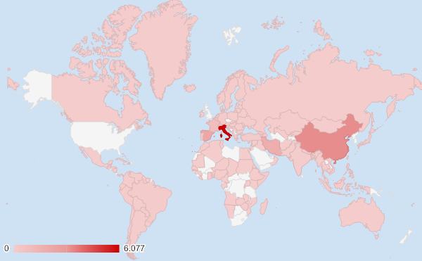
Places_reporting_cases | Sum_of_Deaths
South_Africa | 0
Egypt | 14
Algeria | 17
Morocco | 4
Tunisia | 3
Senegal | 0
Burkina_Faso | 3
Cameroon | 0
Nigeria | 1
Rwanda | 0
Ghana | 2
Democratic_Republic_of_the_Congo | 2
Cote_dIvoire | 0
Togo | 0
Madagascar | 0
Kenya | 0
United_Republic_of_Tanzania | 0
Ethiopia | 0
Equatorial_Guinea | 0 | Fonte: https://www.ecdc.europa.eu/en Acesso: 25/03/2020
Uganda | 0
Seychelles | 0
Gabon | 1
Benin | 0
Congo | 0
Eswatini | 0
Central_African_Republic | 0
Namibia | 0
Liberia | 0
Djibouti | 0
Zambia | 0
Cape_Verde | 0
Sudan | 1
Gambia | 1
Zimbabwe | 1
Guinea | 0
Mauritania | 0
Chad | 0
Niger | 0
Angola | 0
Somalia | 0
Eritrea | 0
Mozambique | 0
United_States_of_America | 590
Brazil | 34
Canada | 24
Ecuador | 18
Chile | 2
Peru | 5
Mexico | 4
Panama | 6
Argentina | 4
Dominican_Republic | 3
Colombia | 3
Uruguay | 0
Costa_Rica | 2
Venezuela | 0
Trinidad_and_Tobago | 0
Cuba | 1
Honduras | 0
Bolivia | 0
Paraguay | 1
Guatemala | 1
Jamaica | 0
Barbados | 0
Netherlands_Antilles | 0
United_States_Virgin_Islands | 0
Guyana | 1
Suriname | 0
Bermuda | 0
El_Salvador | 0
Haiti | 0
Bahamas | 0
Greenland | 0
Cayman_Islands | 1
Saint_Lucia | 0
Nicaragua | 0
Antigua_and_Barbuda | 0
Saint_Vincent_and_the_Grenadines | 0
Montserrat | 0
Grenada | 0
Dominica | 0
Belize | 0
China | 3283
Iran | 1812
South_Korea | 120
Malaysia | 14
Israel | 1
Japan | 42
Pakistan | 6
Thailand | 4
Indonesia | 49
Saudi_Arabia | 0
Singapore | 2
Qatar | 0
India | 9
Philippines | 33
Bahrain | 2
Lebanon | 4
Iraq | 23
United_Arab_Emirates | 2
Taiwan | 2
Kuwait | 0
Vietnam | 0
Jordan | 0
Sri_Lanka | 0
Brunei_Darussalam | 0
Cambodia | 0
Oman | 0
Kazakhstan | 0
Palestine | 0
Uzbekistan | 0
Afghanistan | 1
Mauritius | 2
Bangladesh | 3
Kyrgyzstan | 0
Maldives | 0
Mongolia | 0
Bhutan | 0
Nepal | 0
Myanmar | 0
Timor_Leste | 0
Syria | 0
Italy | 6077
Spain | 2182
Germany | 126
France | 860
Switzerland | 66
United_Kingdom | 335
Netherlands | 213
Austria | 25
Belgium | 88
Norway | 8
Portugal | 23
Sweden | 25
Turkey | 37
Denmark | 24
Czech_Republic | 1
Ireland | 6
Luxembourg | 8
Poland | 8
Finland | 1
Greece | 17
Iceland | 2
Romania | 7
Slovenia | 1
Russia | 0
Estonia | 0
Croatia | 0
Serbia | 1
Bulgaria | 3
Armenia | 0
Slovakia | 0
San_Marino | 20
Hungary | 8
Latvia | 0
Lithuania | 1
North_Macedonia | 2
Andorra | 0
Bosnia_and_Herzegovina | 1
Faroe_Islands | 0
Cyprus | 0
Moldova | 1
Malta | 0
Albania | 4
Belarus | 0
Ukraine | 3
Azerbaijan | 1
Kosovo | 1
Georgia | 0
Liechtenstein | 0
Montenegro | 0
Monaco | 0
Guernsey | 0
Jersey | 0
Gibraltar | 0
Isle_of_Man | 0
Holy_See | 0
Australia | 7
New_Zealand | 0
Guam | 1
French_Polynesia | 0
New_Caledonia | 0
Fiji | 0
Papua_New_Guinea | 0
Cases_on_an_international_conveyance_Japan | 7

_Sum_of_confirmed_cases_last_15
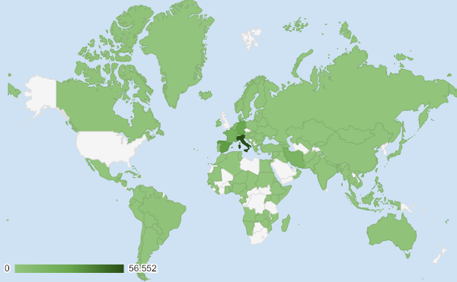
Places_reporting_cases | Confirmed_cases_in_the_last_15_days
South_Africa | 399
Egypt | 278
Algeria | 169
Morocco | 132
Tunisia | 88
Senegal | 75
Burkina_Faso | 75
Cameroon | 54
Nigeria | 39
Rwanda | 36
Ghana | 27
Democratic_Republic_of_the_Congo | 26
Cote_dIvoire | 25
Togo | 17
Madagascar | 17
Kenya | 16
United_Republic_of_Tanzania | 12
Ethiopia | 11
Equatorial_Guinea | 9 | Fonte: https://www.ecdc.europa.eu/en Acesso: 25/03/2020
Uganda | 9
Seychelles | 7
Gabon | 6
Benin | 5
Congo | 4
Eswatini | 4
Central_African_Republic | 4
Namibia | 3
Liberia | 3
Djibouti | 3
Zambia | 3
Cape_Verde | 3
Sudan | 2
Gambia | 2
Zimbabwe | 2
Guinea | 2
Mauritania | 2
Chad | 2
Niger | 2
Angola | 2
Somalia | 1
Eritrea | 1
Mozambique | 1
United_States_of_America | 45888
Brazil | 1866
Canada | 1584
Ecuador | 967
Chile | 736
Peru | 388
Mexico | 360
Panama | 345
Argentina | 289
Dominican_Republic | 243
Colombia | 234
Uruguay | 162
Costa_Rica | 153
Venezuela | 84
Trinidad_and_Tobago | 51
Cuba | 40
Honduras | 30
Bolivia | 28
Paraguay | 26
Guatemala | 20
Jamaica | 19
Barbados | 17
Netherlands_Antilles | 17
United_States_Virgin_Islands | 17
Guyana | 6
Suriname | 6
Bermuda | 6
El_Salvador | 5
Haiti | 5
Bahamas | 4
Greenland | 4
Cayman_Islands | 3
Saint_Lucia | 2
Nicaragua | 2
Antigua_and_Barbuda | 1
Saint_Vincent_and_the_Grenadines | 1
Montserrat | 1
Grenada | 1
Dominica | 1
Belize | 1
China | 889
Iran | 16483
South_Korea | 1655
Malaysia | 1419
Israel | 1403
Japan | 640
Pakistan | 881
Thailand | 777
Indonesia | 573
Saudi_Arabia | 551
Singapore | 359
Qatar | 486
India | 458
Philippines | 452
Bahrain | 260
Lebanon | 235
Iraq | 205
United_Arab_Emirates | 153
Taiwan | 150
Kuwait | 125
Vietnam | 93
Jordan | 111
Sri_Lanka | 96
Brunei_Darussalam | 91
Cambodia | 85
Oman | 50
Kazakhstan | 62
Palestine | 40
Uzbekistan | 49
Afghanistan | 36
Mauritius | 36
Bangladesh | 30
Kyrgyzstan | 16
Maldives | 9
Mongolia | 10
Bhutan | 1
Nepal | 1
Myanmar | 2
Timor_Leste | 1
Syria | 1
Italy | 56552
Spain | 32500
Germany | 28310
France | 18730
Switzerland | 7683
United_Kingdom | 6377
Netherlands | 4484
Austria | 4384
Belgium | 3543
Norway | 2202
Portugal | 2030
Sweden | 1813
Turkey | 1529
Denmark | 1422
Czech_Republic | 1204
Ireland | 1104
Luxembourg | 870
Poland | 738
Finland | 670
Greece | 622
Iceland | 533
Romania | 561
Slovenia | 426
Russia | 428
Estonia | 342
Croatia | 294
Serbia | 221
Bulgaria | 197
Armenia | 193
Slovakia | 186
San_Marino | 150
Hungary | 179
Latvia | 177
Lithuania | 178
North_Macedonia | 133
Andorra | 132
Bosnia_and_Herzegovina | 127
Faroe_Islands | 118
Cyprus | 116
Moldova | 108
Malta | 104
Albania | 98
Belarus | 75
Ukraine | 72
Azerbaijan | 63
Kosovo | 61
Georgia | 48
Liechtenstein | 45
Montenegro | 27
Monaco | 22
Guernsey | 20
Jersey | 18
Gibraltar | 15
Isle_of_Man | 13
Holy_See | 0
Australia | 1743
New_Zealand | 137
Guam | 29
French_Polynesia | 23
New_Caledonia | 7
Fiji | 4
Papua_New_Guinea | 1
Cases_on_an_international_conveyance_Japan | 0

